Pricelist
Dominica Manufacturers Association
email: dmamay2010@yahoo.com
COVID-19
SOCIAL DISTANCING INITIATIVE
SHOP ONLINE FRESH PRODUCE MARKET
Product Pricelist |  | BUY LOCAL | Sell and Buy
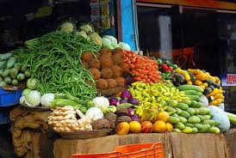
Product Code | Product Name | Supplier Name | Retail Unit Price | Bulk Unit Price | Contact No.
 | Dasheen
 | Tania
 | Yam
 | Sweet potato
 | Green bananas
 | Plantain
 | Christophene
 | Pawpaw
 | Cabbage
 | Carrot
 | Lettuce
 | Cucumber
 | Celery
 | Chive
 | Parsley
 | Orange
 | Grapefruit
 | Passion fruit
 | Kale
 | Dry coconut
 | Bell pepper
 | Seasoning pepper
 | Thyme
 | Guava
 | Beet
 | Raddish
 | Mango
 | Watermelon
 | Soursop
 | String beans
 | Ginger
 | Pigeon peas
 | Herb teas
 | Breadfruit

Pricelist with Product Images
Product Pricelist
Place your Company logo here
Company Name
Company Address
Company Phone and Fax Number
Website URL
Product Code | Product Name | Description | Product Image | Retail Unit Price | Bulk Unit Price
123-45 | Type in product name | Type in item description | Place Product Image | $123.45 | $123.45
123-45 | Type in a long product name | Type in a long item description | Place Product Image | $123.45 | $123.45

